1. Title Page
[Instacart Grocery Basket Analysis]

Project Name: Instacart Grocery Basket Analysis
Date: 19/02/2023
Analyst Name: Ilda Muca

Contents:
Population Flow
Consistency checks
Wrangling steps
Column derivations
Visualizations
Recommendations

Data Sorces : “The Instacart Online Grocery Shopping Dataset 2017”, Accessed from
 | https://www.instacart.com/datasets/grocery-shopping-2017

2. Population Flow
Title page

Population flow

Exclusion flag
Condition: max_order < 5
Obervations to be removed: 1,440,295
Final total count of order_products_all: 30,964,564

Orders_products_combined
Orders_products_merged
Orders_products_all

Total:32404859
Total: 32434489
Total: 32404859

1.) The grey boxes in the first row of the population flow represent the original data sets as they were when you downloaded them. In the Total fields you need to add the count of the rows when you imported the data set into Jupyter.
2.) The second row of boxes (coloured) represents the data sets after you manipulated them, e.g., removed missing values and duplicates. In the Total fields you need to add the count of the rows after conducting these operations. This offers a visual oveview of how the data flows throughout the data consistency checks.
3.) The third row, where also the arrows are coloured, represents the merges you performed between the datasets. In the Total fields you need to add the count of the rows in the merged datasets, so that you end up with the final dataset (in the red box). Keep in mind the final dataset should be without exclusions (based on the exclusion flag).

3. Consistency checks
 |  |  |  | Title page
Consistency checks

Dataset | Missing values | Missing values treatment | Duplicates
orders | 206,209 missing values in ['days_since_prior_order'] | I believe this is where customers made their first order (because they all coincide with "order_number == 1", so I made a new boolean column to flag these as "new_customer" - true or false) | No duplicates found.
products | 16 missing values in ['product_name'] | created new dataframe without them | 5 duplicates found and excluded from new products dataframe
orders_products_prior | None |  | None
customers | None | None | None

4. Wrangling steps
Wrangling steps

Dataframe | Columns dropped | Columns renamed | Columns' type changed | Comment/Reason
Orders |  |  | order_id has been changed to 'str' | Because mathematical operations are meaningless on this column
 |  |  | The data type of the "user_id" column has been changed from number to string. | This will make describe() function ignore string values when calculating descriptive statistics
 | eval_set |  |  | The data didn't have an impact on analysis
 |  |  | order_number' ('int64') to ('int8')
 |  |  | orders_day_of_week' ('int64') to ('int8')
 |  |  | order_time_of_day' ('int64') to ('int8')
 |  |  | days_since_prior_order' from ('float64') to ('float16')
 |  | order_hour_of_day' has been renamed to: 'order_time_of_day' |  | Easier to read
 |  | order_dow' has been renamed to : 'orders_day_of_week' |  | To be a self-explanatory name
Departments |  |  |  | Transposed to create a department dictionary
Products |  |  | aisle_id' from ('int64') to ('int8') | To save memory and merge faster
 |  |  | department_id' from ('int64') to ('int8') | To save memory and merge faster
 |  |  | prices' from ('float64') to ('float16') | To save memory and merge faster
 |  |  | product_id' from ('float64') to ('float16') | To save memory and merge faster
 |  |  | add_to_cart_order' from ('float64') to ('float16') | To save memory and merge faster
 |  |  | reordered' from ('float64') to ('float16') | To save memory and merge faster
Customers |  |  | age' from ('int64') to ('int8')
 |  |  | no_of_dependents' from ('int64') to ('int8')
 |  |  | income' from ('int64') to ('int32')
 |  | STATE' has been changed to: 'state' |  | To keep name consistent with other column titles' format
 |  | First Name' has been changed to:: 'first_name' |  | To keep name consistent with other column titles' format
 |  | Surnam' has been changed to: 'last_name' |  | To keep name clear and consistent with other column titles
 |  | Age' has been changed to: 'age' |  | To keep name consistent with other column titles' format
 |  | n_dependants' has been changed to: 'no_of_dependents' |  | To keep name clear and consistent with other column titles
 |  | Gender' has been changed to: 'gender' |  | To keep name consistent with other column titles' format
 | first_name |  |  | How to address: Dropping these two columns in compliance to customer privacy
 | last_name
 |  | fam_status' has been renamed to : 'marital_status' |  | To keep name clear and consistent with other column titles

5. Column derivations
 |  |  |  | Title page

Column derivations and aggregations

In this tab you should add tables below that the frequences of flags/label variables that you produced after deriving them. NB: don't do this for continuous variables, only for flags.
Dataset | New column | Column/s it was derived from | Conditions
orders_products_merged.pkl | price_range |  | If price is more than $15 flagged as high-range product, if price is higher than $5 and less than or equal to $15 flagged as mid-range product. If prices are equal to or lower than $5 flagged as low-range product.
orders_products_merged.pkl | price_range | prices | If price is more than $15 flagged as high-range product, if price is higher than $5 and less than or equal to $15 flagged as mid-range product. If prices are equal to or lower than $5 flagged as low-range product.
orders_products_merged.pkl | busiest_day | orders_day_of_week | If day is 0 it is flagged as busiest day, if it’s the 4th day it is flagged as least busiest. Anything else will be flagged as regularly busy
orders_products_merged.pkl | busiest_days | orders_day_of_week | If day is 0 or 1 flagged as busiest day. If day is 3 or 4 flagged as slowest day. Anything else will be flagged as regularly busy
orders_products_merged.pkl | busiest_period_of_day | order_hour_of_day | If hour is on the 1st quantile then it was flagged as 'Fewest orders', if hour is between quantile 1 and 3 flagged as 'average orders', if hour is on the 3rd quantile flagged as 'Most orders'.
orders_products_merged_update.pkl | loyalty_flag | Grouped by user_id and aggregated max values from order_number | If user has over 40 orders they are flagged as a Loyal customer. If user has more than 10 orders and less than or equal to 40 customers they are flagged as regular customer. If user has less than or equal to 10 orders they are flagged as new customer.
orders_products_merged_update.pkl | spending_flag | Grouped by user_id and aggregrated average values of prices | If user has spent less than $10 they are flagged as low spender. If user has spent $10 or more they are flagged as high spender.
orders_products_merged_update.pkl | order_frequency_flag | Grouped by user_id and aggregrated by the media of days_since_prior_order | If median values is more than 20, flagged as 'Non-frequent customer'. If median values between 10 and 20, flagged as Regular customer'. Finally, if values are less or equal to 10, then flagged as 'Frequent customer'.
orders_products_all.pkl | region | state | States were aggrupated into regions (https://simple.wikipedia.org/wiki/List_of_regions_of_the_United_States)
orders_products_all.pkl | exclusion flag | max_order | If max_order less than 5 flagged as 'low-activity'. Otherwise, flagged as 'high-activity'
df_high_activity_customers.pkl | profile | Based on columns: age, income, department_id, number_dependants, family_status, and order_hour_of_day | If someone was single and aged 18 or more, then she/he was flagged as a single adult If someone had one dependants and an income higher than $100000, then she/he was flagged as high-income small family If someone had two dependants and an income higher than $100000, then she/he was flagged as high-income medium family If someone had three dependants and an income higher than $100000, then she/he was flagged as high-income big family If someone had one dependant and an income below $100000, then she/he was flagged as low-income small family If someone had two dependants and an income below $100000, then she/he was flagged as low-income medium family If someone had three dependants and an income below $100000, then she/he was flagged as low-income big family If someone had any dependants and bought in the babies department, then she/he was flagged as babies at home If someone ordered before noon and bought in the breakfast department, then she/he was flagged as employees If someone's age was 65 or more and had an income higher than $100000, then she/he was flagged as retired wealthy If someone aged below 65 and had an income below $100000, then she/he was flagged as retired less money The other observations that are not included on the list where flagged as other

6. Visualizations
 | Title page

Visualisations

In this tab you should include all the visualtions from Exercises 4.9 and 4.10, alongside the questions from the project brief that they answer. Include any commentary on the relationship between different variables.

Which are the busiest days of the week and hours of the day are (i.e., the days and times with the most orders) in order to schedule ads at times when there are fewer orders.

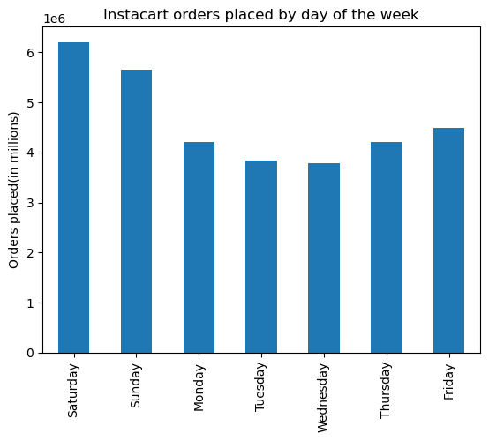

Most of the orders are done on the weekends.
The busiest hours of the day are between 9 am and 3 pm.

Are there particular times of the day when people spend the most money, as this might inform the type of products they advertise at these times.

Average price of instacart products purchased by hour of day
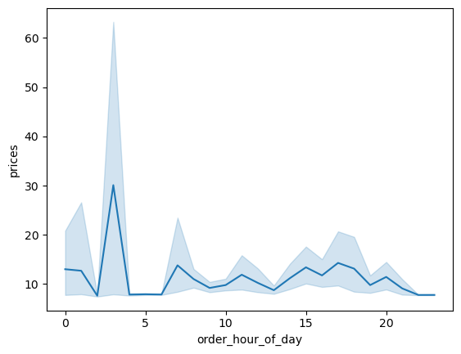
Prices do not vary greatly, however, the more expensive products are bought between 7 to 12am. On the other hand, the lowest point is reached at 10 am.

Fig 3. Average price of instacart products purchased by hour of day

Instacart has a lot of products with different price tags. Marketing and sales want to use simpler price range groupings to help direct their efforts.

Answer : Products are organized in three categories: Low/Mid/High-range based on given conditions.

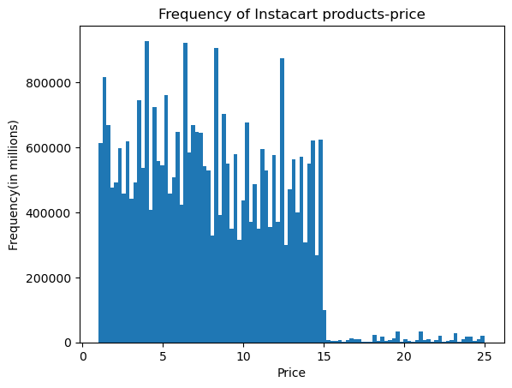
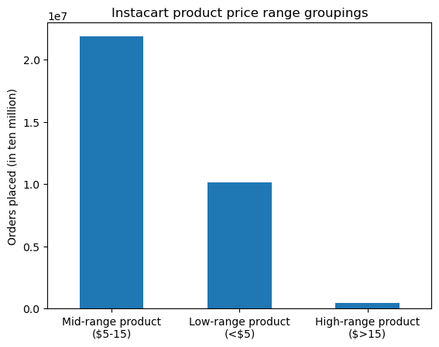

- The most frequent purchased products are found between 0 and $15.
That means that the most popular items are located in low and mid-range categories.

Are there certain types of products that are more popular than others? The marketing and sales teams want to know which departments have the highest frequency of product orders.

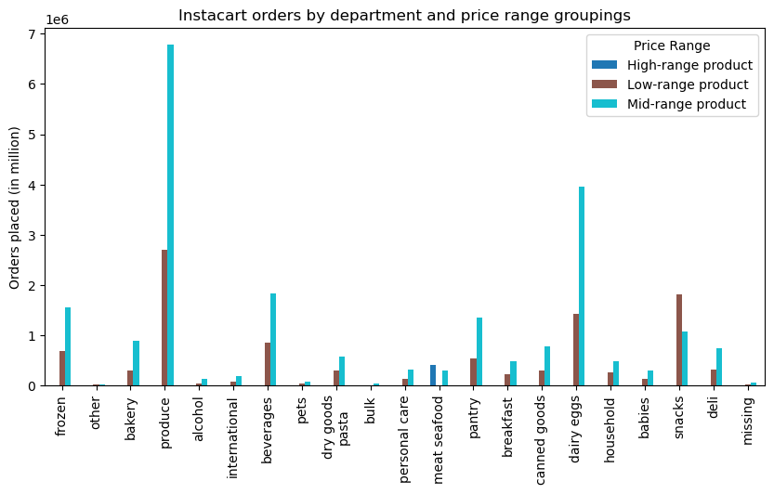

- Mid-range items in the departments: Produce, diary eggs, beverages and frozen are the most popular ones.

What’s the distribution among users in regards to their brand loyalty (i.e., how often do they return to Instacart)?

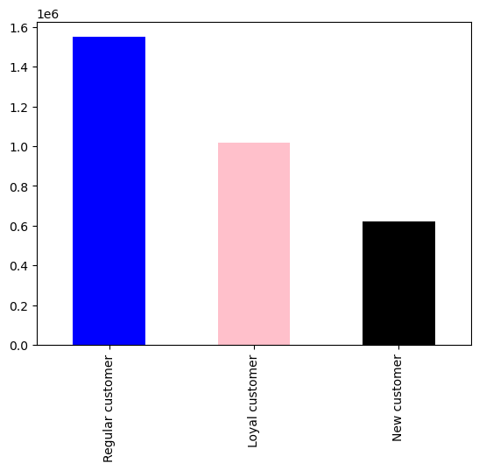

Fig 7. Number of instacart customers by loyalty rating

- Most of Instacart customers are inside of the categories regular (10-40 orders) and loyal (more than 40 orders). Loyal customers buy every week, and regular customers buy every 12 days in average

What different classifications does the demographic information suggest? Age? Income? Certain types of goods? Family status?

Over 90% of orders for almost all the departments have been submitted by regular customers. Personal care and snacks have the highest number of orders in Instacart.

The marketing and sales teams are particularly interested in the different types of customers in their system and how their ordering behaviors differ. For example:
● Are there differences in ordering habits based on a customer’s loyalty status?
Almost 99% of loyal customers shop frequently at IC. Promoting point-based loyalty reward programs would help other 56% customers (Regular/ new customers proportion) to upgrading their status to loyal customers .
● Are there differences in ordering habits based on a customer’s region?
Ordering habits in different regions are almost the same from proportional perspective. As South region have more population we observe the higher bar for frequent customers in these states.
● Is there a connection between age and family status in terms of ordering habits? No, there is no meaningful relation between age and number of dependents in a family.
● Saturday is the busiest day and Wednsday is the slowest day in a week within the age categories' in terms of orders. The trend of ordering in a week follows the same behaviors for three age categories.

What differences can you find in ordering habits of different customer profiles? Consider the price of orders, the frequency of orders, the products customers are ordering, and anything else you can think of.

7. Recommendations
 |  | Title page

Recommendations

In this tab you should include any recommendations you would made to Instcart in terms of their marketing strategy based on the questions posed in the brief. Every key question has been covered in the Tasks of the Exercises - here you need to add an item - a visualisation or table/crosstable that is showing the answer in the data, acompanied by a comment from you. Please, list the questions below and add the answer underneath.

Key Questions | Answers
Question 1 | Saturday, Sunday and Friday respectively are the busiest days of the week. In terms of time in a day, between 9am and 3pm is the busiest time to place an order. so weekdays after 6pm until the next day 8am might be the perfect time to schedule more ads to be presented on IC app.
Question 2 | High frequency of orders with a low expenditure are placed during the day (9am-5pm) [On the other hand, the lowest point is reached at 10 am] However, a low frequency of orders with a high expenditure happens between 7-12am, early in the morning. The number of people that order is deficient. Therefore, we would recomend investing more in marketing strategies that are focused on the busiest hours of the day (9 am to 3 pm)
Question 4 | Snacks and personal care are the most popular departments which need more consideration when re-stocking. Offer incentives on bulk, other, pets, and bakery departments might help them to increase the sales (Like buy group of 3 get 15% discount/ buy-one-get-one free). Some initiatives like free delivery options on bulk and others plus promoting low-price protection plans /guarantees will be helpful as well.
Question 5 | The marketing and sales team should create a program to reward loyal and regular customers, as well as to inspire new customers to change the category. Ordering habits in different regions are almost the same from proportional perspective. We can introduce some discount like 15-20% off for next order in 5 days to motivate customers return more and turn them to the loyal customers. - Most of Instacart customers are inside of the categories regular (10-40 orders) and loyal (more than 40 orders). Loyal customers buy every week, and regular customers buy every 12 days in average
Question 6 | The marketing team could create priority card for loyal customers to buy in the departments produce, dairy eggs, snacks, and beverages.
Question 7 | It appears couples with children place more orders. This might be because of lacking discounts on items which are popular between seniors or singles. Recommendations made in question 6 would help to boost the sales in these parts. The connection betweem age, family status and ordering habits are very similar. Therefore the marketing team should not invest in strategies to personalise according to this characteristics. General campaigns for the departments could be used. That is because there are similar behaviours for most of the profiles regarding a departments preferences.

